b. Problem Analysis Doc.
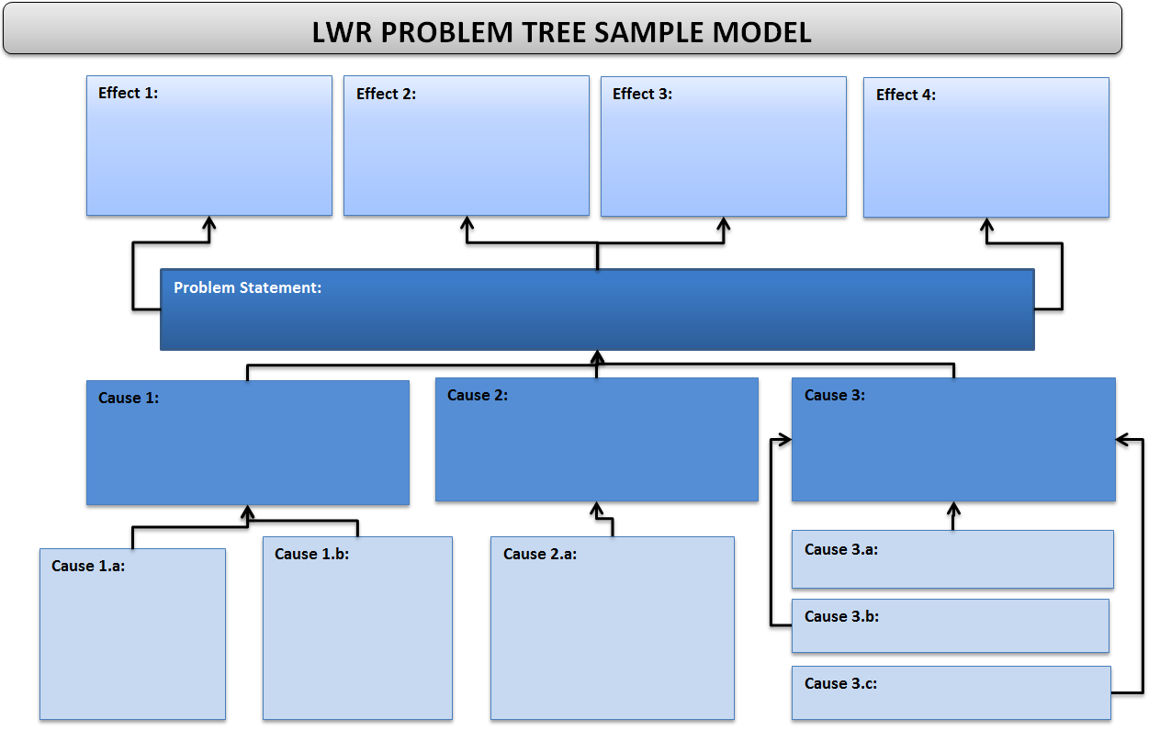
Instructions: The easiest way to insert a final draft of the Problem Tree analysis into the Project Design Workbook is to use the “Snipping Tool” which is a Microsoft tool found in the Start Menu: All Programs – Accessories – Snipping Tool. Select and copy the whole graphic and paste it into the Project Design Workbook in the Problem Analysis Documentation tab. The Snipping Tool can be used to copy and paste from any electronic medium, including websites, Microsoft Office applications, etc.
KEY: Any method or program can be used to document the results of the Problem Analysis in the Project Design Workbook, including a photo of the document the group uses to work through this analysis. What is important is that the results are documented and can be clearly read.
Below is an example of a Word template pasted in the tab using the Snipping Tool. Simply delete this example and paste your finalized Problem Analysis results when it is completed.

