c. M&E Plan Matrix Cheat Sheet
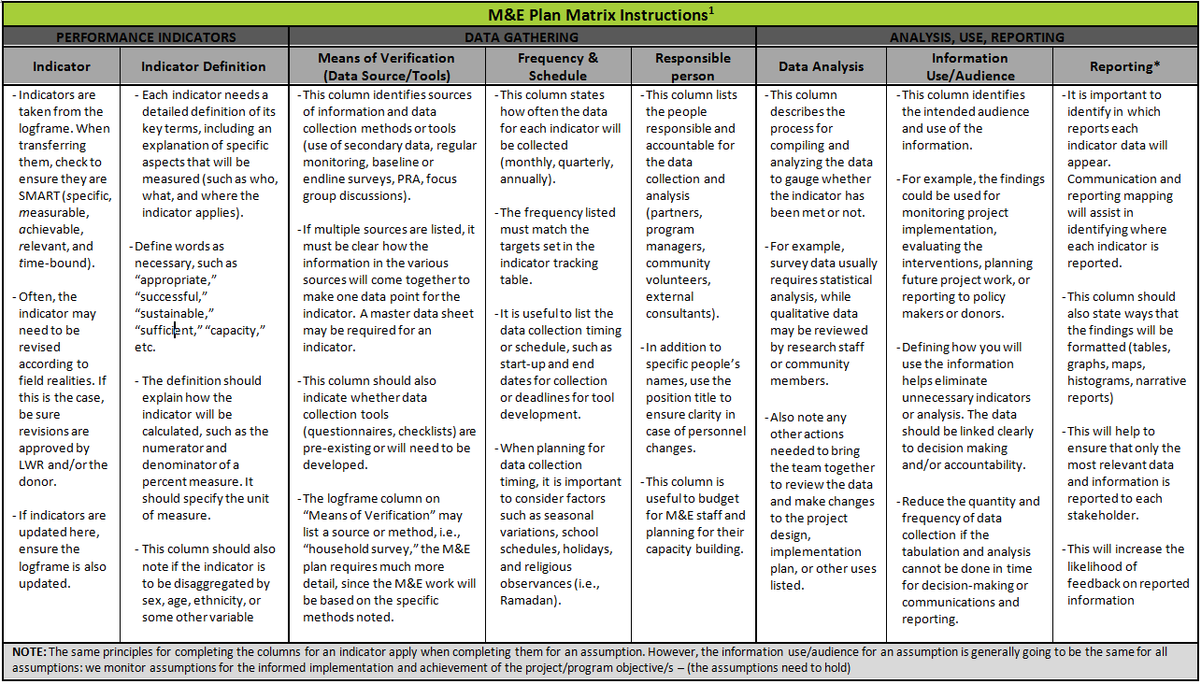

M&E Plan Matrix template was derived from IFRC’s M&E Plan Template (April 6, 2011): http://ifrc.org/en/who-we-are/performance-and-accountability/monitoring-and-evaluation/, and CRS’ ProPak III. The content for the instructions were borrowed primarily from IFRC’s M&E Plan Template (April 6, 2011) with additional content borrowed from CRS’ M&E in Emergencies, DESIGN: How to develop and M&E plan in an emergency project M&E Plan Template, Appendix 3, p. 54.

